Sheet7
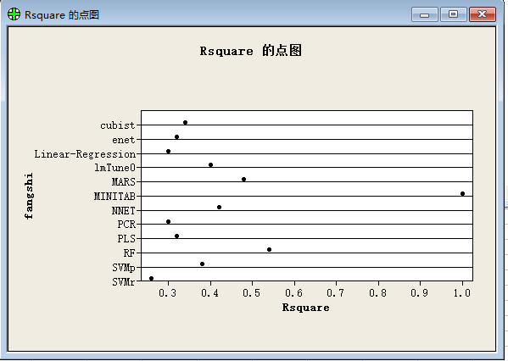
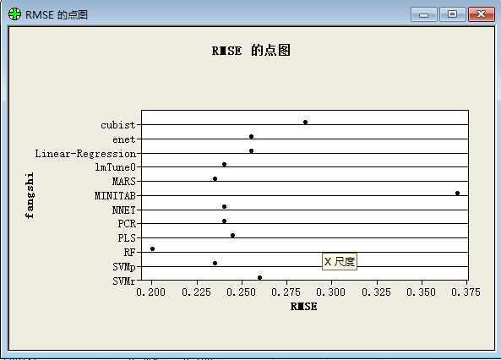
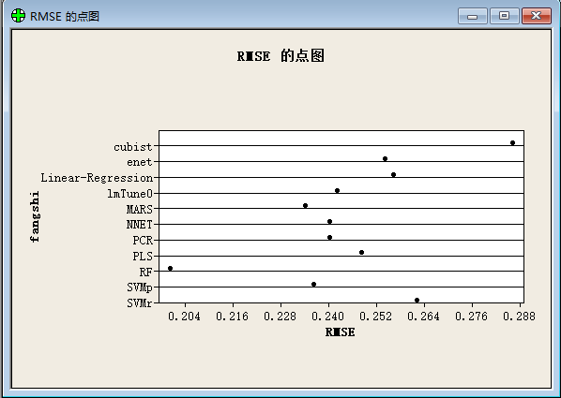
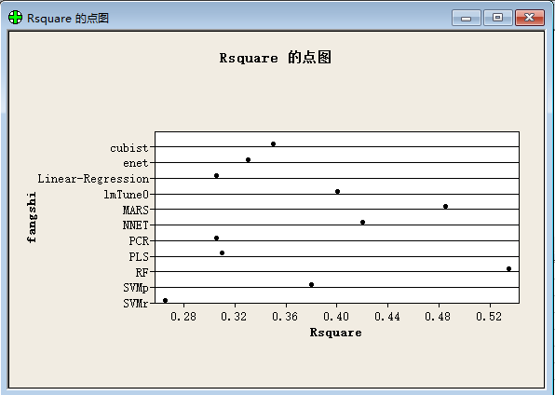
fangshi | Rsquare | RMSE
Linear-Regression | 0.306 | 0.256
lmTune0 | 0.402 | 0.241
enet | 0.328 | 0.254
PLS | 0.311 | 0.247
PCR | 0.307 | 0.239
NNET | 0.418 | 0.239
MARS | 0.484 | 0.234
SVMr | 0.263 | 0.262
SVMp | 0.382 | 0.236
RF | 0.535 | 0.2
cubist | 0.349 | 0.286
MINITAB | 1 | 0.371

